Assumption_Sheet


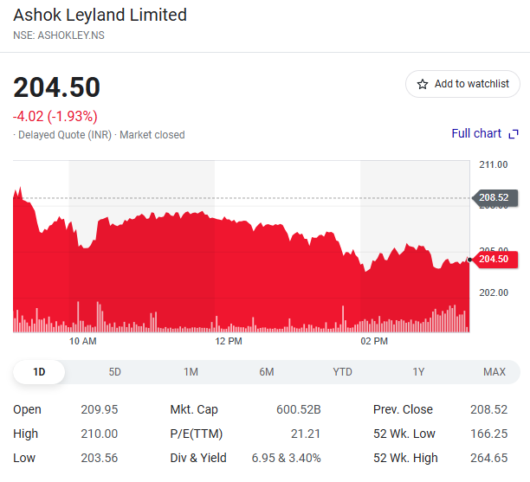
Company Name | Ashok Leyland Ltd
ISIN Code | INE208A01029
Sector Name | Automobile Sector
Industry | Commercial Vehicles
Exchange Name | ASHOKLEY
Current Market Price | 204.22

Scenario Manager | Case no
Base case | 2

Company data
Particulars |  | Amount
No of Outstanding shares | Nos | 27,856,000,000.00
Face Value per share | Rs. | 1
Current Market Price | Rs. | 204.22
Market Capitalization | INR in crs | 568,875.23

Sheet |  | Assumptions

 |  | Revenue from operation per case is projected as taking average growth per car of audited years as base case and Adjusted by +5% for best and -5% for worst cases and taking constant for further projected years.

Revenue Buildup |  | Company sale units per case is projected as taking average growth of audited years as base case and Adjusted by +5% for best and -5% for worst cases and taking constant for further projected years.

 |  | Other Income are projected as % on Sale of goods and take average of its, constant for all projected years

 |  | All the costs are projected as a % of sale of goods and take average of all audited year and multiplying to projected revenue from operation.

Cost BulidUp |  | Finance costs which are calculated from balance sheet,add borrowings, lease liabilities and latest years's % rates are used for projections.

 |  | Tax Rate is 30% and it is constant for projected years.i.e indian corporate tax act.

 |  | Figures of the year 2024 are used to forecast the additions, disposals and depreciation of Fixed assets, Intangibles and ROU assets, asset held for sale with 0.5% growth rate for the every projected years.

Fixed Assets Schedule (FAS) |  | Capital WIP is forecasted at same absolute growth and increased by 0.5% for every projected years.

BS Items |  | Balance sheet items are predicted as a percentage of revenue using the average of the preceding five years as constant.

Working Capital |  | Future years DSO,DIO and DPO have been fixed by averaging past data spanning five years but here 2021 year is not considering becaused of the effect of COVID 19

Balance Sheet |  | Cash and Cash equivalents are taken as the balancing figures in the Balance Sheet.

Equity Beta |  | Beta find out by slope of the Ashok leyland and market return called as Nifty 50

DCF Analysis |  | Consider Risk free Return 7.01% and Perpetual Growth Rate is 6%

chart
Charts
Revenue Vs YoY Growth
 | Revenue from Operations | Year to year growth
2020 | 19,454.10 | -11.38%
2021 | 26,237.15 | 34.87%
2022 | 41,672.60 | 58.83%
2023 | 45,790.64 | 9.88%
2024 | 56,642.79 | 23.70%
2025 | 70,122.30 | 23.80%
2026 | 86,872.70 | 23.89%
2027 | 107,696.16 | 23.97%
2028 | 133,592.69 | 24.05%
2029 | 165,809.05 | 24.12%
2030 | 205,899.85 | 24.18%
2031 | 255,803.71 | 24.24%
2032 | 317,938.36 | 24.29%
2033 | 395,319.22 | 24.34%
2034
PAT Vs EBITDA
 | EBITDA | Profit Before Tax
2021 | 2,462.44 | (67.08)
2022 | 2,765.24 | (199.59)
2023 | 5,092.90 | 2,268.59
2024 | 7,942.87 | 4,106.07
2025 | 7,646.10 | 2,806.47
2026 | 9,465.68 | 3,693.94
2027 | 11,726.78 | 4,798.20
2028 | 14,537.70 | 6,172.47
2029 | 18,033.42 | 7,883.10
2030 | 22,382.25 | 10,012.80
2031 | 27,794.03 | 12,664.74
2032 | 34,530.46 | 15,967.56
2033 | 42,917.89 | 20,081.71
2034 | 53,363.39 | 25,207.33

ROE Vs ROCE
 | ROE | Return on Capital Employed
2020 |  | 11.17%
2021 | -0.77% | 6.62%
2022 | -3.22% | 8.01%
2023 | 14.05% | 13.96%
2024 | 23.85% | 18.38%
2025 | 15.69% | 14.12%
2026 | 18.27% | 14.67%
2027 | 20.63% | 15.09%
2028 | 22.70% | 15.43%
2029 | 24.46% | 15.69%
2030 | 25.91% | 15.89%
2031 | 27.08% | 16.04%
2032 | 28.00% | 16.16%
2033 | 28.71% | 16.24%
2034 | 29.25% | 16.31%
EBITDA Vs Net Profit
 | EBITDA | Net Profit
2020 | 3,233.35 | 459.80
2021 | 2,462.44 | (69.60)
2022 | 2,765.24 | (285.45)
2023 | 5,092.90 | 1,361.66
2024 | 7,942.87 | 2,696.34
2025 | 7,646.10 | 1,964.53
2026 | 9,465.68 | 2,585.76
2027 | 11,726.78 | 3,358.74
2028 | 14,537.70 | 4,320.73
2029 | 18,033.42 | 5,518.17
2030 | 22,382.25 | 7,008.96
2031 | 27,794.03 | 8,865.31
2032 | 34,530.46 | 11,177.29
2033 | 42,917.89 | 14,057.20
2034 | 53,363.39 | 17,645.13

